Lathian 01
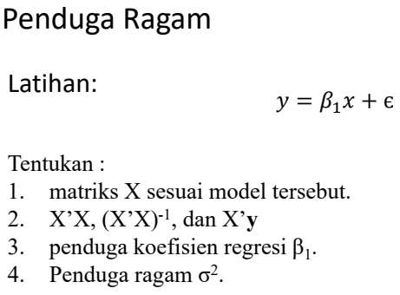
1
 |  |  |  |  | y |  | X |  | alpha | 0.05
 |  |  |  |  | 3 |  | 1 | 0.6 | n | 5
 |  |  |  |  | 5 |  | 1 | 2 | k | 1
 |  |  |  |  | 7 |  | 1 | 2.1 | p | 2
 |  |  |  |  | 9 |  | 1 | 2
 |  |  |  |  | 10 |  | 1 | 2.4
2
 |  |  |  |  | X'X |  |  | X'y
 |  |  |  |  | 5 | 9.1 |  | 34
 |  |  |  |  | 9.1 | 18.53 |  | 68.5

3
 |  |  |  |  | inv(X'X)
 |  |  |  |  | 1.8831300813 | -0.92479674797 |  | beta_1
 |  |  |  |  | -0.92479674797 | 0.5081300813 |  | inv(X'X) (X'y)
 |  |  |  |  |  |  |  | 0.67784552846
 |  |  |  |  |  |  |  | 3.3638211382
hat{sigma^2}
4
y-Xb | n-(k+1) | (y-Xb)'(y-Xb) | (y-Xb)'(y-Xb)/n-(k+1)
0.30386178862 | 3 | 10.531504065 | 3.510501355
-2.4054878049
-0.7418699187 |  | Selang kepercayaan beta_1
1.5945121951 |  | t(n-p; alpha/2) |  | s (sqrt(cii)) | t s (sqrt(cii)) | b1 - t s(sqrt(cii))
1.2489837398 |  | 3.1824463053 | 3.1824463053 | 1.335586515 | 4.2504323699 | -0.88661123169 | batas bawah
 |  |  |  |  |  | 7.6142535081 | Batas atas

 |  | Selang kepercayaan beta_0
 |  | t(n-p; alpha/2) |  | s (sqrt(cii)) | t s (sqrt(cii)) | b1 - t s(sqrt(cii))
 |  | 3.1824463053 | 3.1824463053 | 2.5711341276 | 8.1824963047 | -7.5046507763 | batas bawah
 |  |  |  |  |  | 11.546317443 | Batas atas

Contoh 01
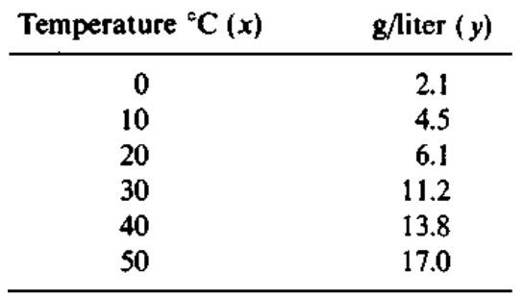
 |  |  | y |  | X
 |  |  | 2.1 |  | 1 | 0 |  | n | 6
 |  |  | 4.5 |  | 1 | 10 |  | k | 1
 |  |  | 6.1 |  | 1 | 20 |  | alpha | 0.05
 |  |  | 11.2 |  | 1 | 30 |  | p | 2
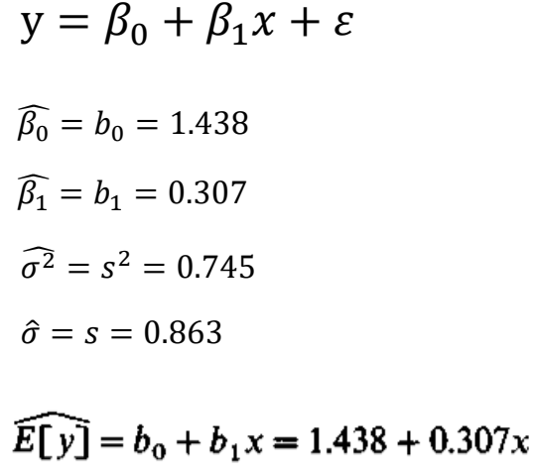
 |  |  | 13.8 |  | 1 | 40
 |  |  | 17 |  | 1 | 50

 |  |  | {hat} Beta_0 & Beta_1
 |  |  | X'X |  |  | inv(X'X) |  |  | X'y |  | b = inv(X'X) X'y
 |  |  | 6 | 150 |  | 0.52380952381 | -0.014285714286 |  | 54.7 |  | 1.4380952381
 |  |  | 150 | 5500 |  | -0.014285714286 | 0.00057142857143 |  | 1905 |  | 0.30714285714

 |  |  |  |  | Selang kepercayaan
S^2 |  |  |  |  | t(n-p;alpha/2) |  | s sqrt(cii) | b_0 | b_1 | Batas
y-Xb | n-(k+1) | s^2 | s |  | 2.7764451052 | 2.7764451052 | 0.62459056884 | -0.29604618952 | -1.4269985705 | Bawah
0.6619047619 | 4 | 0.74476190476 | 0.86299588919 |  |  |  |  | 3.1722366657 | 2.0412842848 | Atas
-0.0095238095238
-1.480952381
0.54761904762
0.07619047619
0.20476190476

